How to Create AI Agents

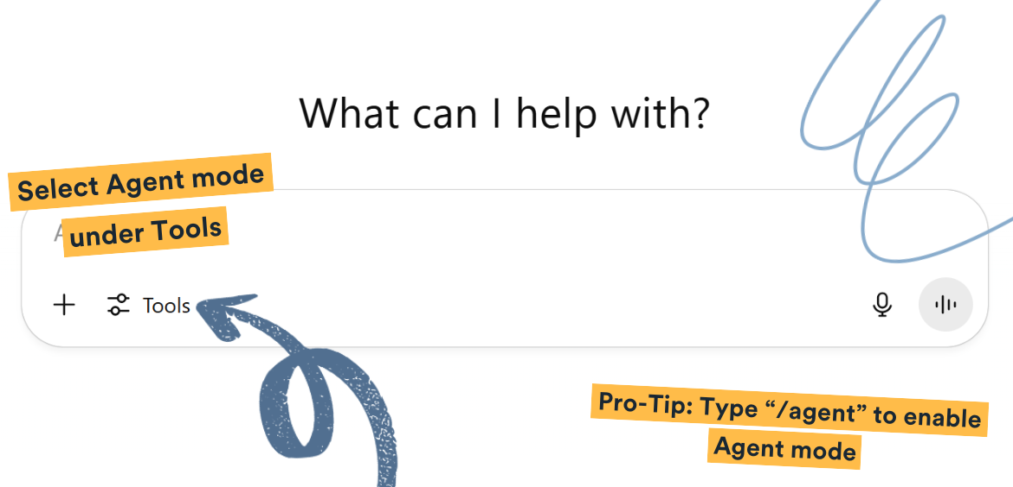
How to Create AI Agents in ChatGPT

SEO Labs AI | Quick-Start Guide

